Sheet1
Country | Delivery Address | Product |  | Carton dimension | Total Carton Quantity | Pallet Specifications Use 48x40 inch (120 x 100 cm) pallets Stack no higher than 54 inches (137 cm) | Pallet Stacking Breakdown | Single SKU | Mixed Pallet | Subtotal:
UK | Wellesbourne Fulfillment Center BHX-2 Unit 3, Wellesbourne Distribution Park 13 Loxley Road Wellesbourne, Warwickshire CV35 9JY United Kingdom |  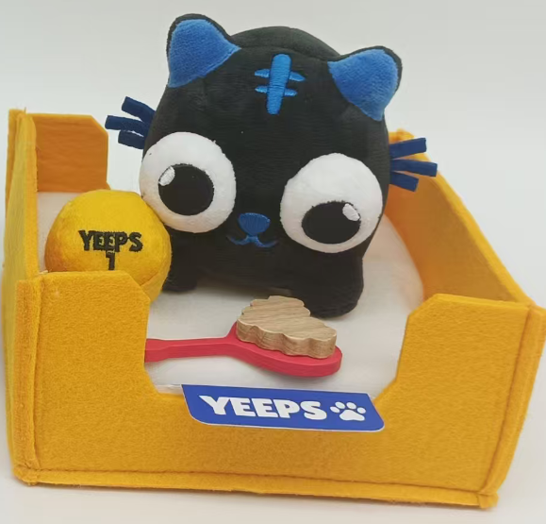  | Pet Plushes | 48x46.7x33cm | 111 | 4 cartons per layer, 3 layers, 12 cartons per pallet 9 pallets × 12 cartons = 108 cartons 1 pallet × remaining 3 cartons | YP5: 37 cartons 3 pallets = 36 cartons Remaining: 1 carton | YP5: 3 pallets | 1 pallet: YP5 (1 cartons) + YP6 (6 cartons) | 10 pallets
 |  |  |  |  |  |  | YP6: 42 cartons 3 pallets = 36 cartons Remaining: 6 cartons | YP6: 3 pallets
 |  |  |  |  |  |  | YP7: 32 cartons 2 pallets = 24 cartons Remaining: 8 cartons | YP7: 2 pallets 1 pallet( 8 cartons)
CA | 125 Edgeware Road, Brampton, ON L6Y 5L9, Canada |  | Pet Plushes | 48x46.7x33cm | 66 | 4 cartons per layer, 3 layers, 12 cartons per pallet 5 pallets × 12 cartons = 60 cartons 1 pallet × remaining 6 cartons | YP5: 22 cartons 1 pallet = 12 cartons Remaining: 10 cartons | YP5: 1 pallet 1 pallet（10cartons） | 1 pallet: YP6 (1 cartons) + YP7 (7 cartons) | 6 pallets
 |  |  |  |  |  |  | YP6: 25 cartons 2 pallets = 24 cartons Remaining: 1 carton | YP6: 2 pallets
 |  |  |  |  |  |  | YP7: 19 cartons 1 pallet = 12 cartons Remaining: 7 cartons | YP7: 1 pallet
AU | Kemps Creek NSW 2178, Australia |  | Pet Plushes | 48x46.7x33cm | 21 | 4 cartons per layer, 3 layers, 12 cartons per pallet 1 pallet × 12 cartons = 12 cartons 1 pallet × remaining 9 cartons | YP5: 7 cartons | N/A | 1 pallet: YP5 (7 cartons) + YP6 (5 cartons) 1 pallet: YP6 (3 cartons) + YP7 (6 cartons) | 2 pallets
 |  |  |  |  |  |  | YP6: 8 cartons
 |  |  |  |  |  |  | YP7: 6 cartons
USA | ShipBob, 28010 Eucalyptus Ave, Moreno Valley, CA 92555 USA |  | Pet Plushes | 48x46.7x33cm | 911 | 4 cartons per layer, 3 layers, 12 cartons per pallet 75 pallets × 12 cartons = 900 cartons 1 pallet × remaining 11 cartons | YP5: 302 cartons 25 pallets = 300 cartons Remaining: 2 cartons | YP5: 25 pallets | 1 pallet: YP5 (2 cartons) + YP6 (9 cartons) | 76 pallets
 |  |  |  |  |  |  | YP6: 345 cartons 28 pallets = 336 cartons Remaining: 9 cartons | YP6: 28 pallets
 |  |  |  |  |  |  | YP7: 264 cartons 22 pallets = 264 cartons | YP7: 22 pallets

